NPD Process Flow
5-Stage NPD Process (all chemical companies have something like these)
1. Ideation: Ideas
Unrestrained brain storm session
Multi-discplinary approach
Arrive to "Yes" "No" "Punt" idea buckets
2. Business case: Projects
Feasibility study: both technical and financial
Market size analysis
Initial financial return calculation (NPV)
3. Development: Formulation
Collect voice of customers (VOC) and establish design scope
Formulate/Test/Data Collection/Analysis/Optimize
Regulatory check (ingredients toxicity, import/export control, SDS etc)
Formulation cost check (data from SAP, generate initial BOM, compare costs across formulation)
Scale-up difficulty check
Customer trials
Sustainability study (toxicity, bio-based raw materials, carbon footprint...)
4. Scale Up: Product
Recipe transfer to plant
Final BOM (Bill of Materials) transfer
Raw materials and final product specs transfer
Production steps description
Production batch monitoring and controlling (kg->ton batch size scale up)
QA method establishment
5. Commercialization:$$$
Batch to batch consistency study
Quality improvement program setup
Alternative raw materials (ARM) program to initiate (supply chain robustness, cost savings etc)
Supply-chain planning and improvement
12-month or 5-batch quality tracing
Project closure
The good bad ugly

Key R&D Trends
New Product Design: | Data driven decision making | AI driven data analytics | Design-For-Sustainability | Design-For-Supply Chain Robustness | Design-For-Adoptability |  |  |  | Reduce Time-To-Market
New Process Flow: | Digital Lab Record | Collaboration with customers | Agile Development (quick feedback) | Fail-Fast, Fail-Often; before getting to market | Global Minded; Local for Local execution

Sort | Customer Need | Customer Need Description | Customer Need Example | NPD Stage it is needed | NPD Stage Task | Stage Task Desciription | Input | Process | Output | Scientist Level Marketing Message | Management Level Marketing Message | PKI Software Needed to Support | PKI Software Feature to Support
10 | Formulation Representation and Screening | Replace Excel to specificy a formulation (recipe) | Coating X: Epoxy a%, EVA b%, Additive A c%, Additive B d% | 3. Formulation | Formulate/Test… | Specify a formulation and connect to database on: cost, procurement sources, regulatory, test… | Recipe, Ingredients List; % | Test, data collection, data analysis, compare, decide, repeat | Winning Recipes: Expoxy 20%, EVA 70%, A 1%, B 9% | Improve efficiency, reduce manuel labor work, improve data portability, understand formulation cost, reduce failure rate | Speed-To-Market; Cost-conscious product design; improve organizational effeciency; increase product success ratio; stand-out from competition | Signals Notebook, Signals Inventa; SPOTFIRE??? | Formulation Specification; Test Result Keeping; Database Connection; Statistical Analysis (simple)
10 | Sample tracing, tracking, and comparison | samples made from multiple formulations, raw material vendors, processes, batches, shapes, etc need to be represented and managed | Samples: 1. Formula A, Vendor B1-10, Processes C, Batch 1, made in film or stripe with thickness 30, 50. Sample 2, 3,4… all unique | 3. Formulation | Test/Data Collection | Recipe is one step among many leading to a sample | Formulation, RMs, Processes, Sample size/shape | List out all elements | Samples that can be tested. IC doesn't test formulation, it tests samples made from a recipe | A more efficient, secure, structured way than Excel to manage R&D workflow and sample preparation to accelerate product development | Speed-To-Market; Knowledge and record keeping; data driven decision making; smart IP data and physical sample management | Signals Notebook | Formulation management; Sample Management
20 | Lab Notebook Management | Replace pen and paper to keep records of lab experiments | Lab ABC123; title, raws, processes, reulsts etc | 3. Formulation | Formulate/Test… | A sample is tested; keep record of all involed | Conditions, numbers, words, sequence etc | Write down data, organize if possible | Digital tables can be searched, sorted, ranked, studied, and linked to other database | Reduce administrative work; improve data accruracy; scientist becomes master of R&D workflow instead of slave of it | Higher R&D throughput; more organizational stability (succession); "clean kitchen means happy employees->happy customers->higher profit | Signals Notebook | all
30 | Alternative raw material database portability | Find cheaper, better raw materials from supply list | 2 monomers from vendor A and B; SDS, PDS, cost etc | 3. Formulation | Formulation design and optimization | Connect to SAP to get raw material vendor and cost information | SAP data |  | Integrate with Signal Suite | Formulation with cost information in mind | Avoid formulation cost overrun; NPD with profitability in mind; increase business profitability | ??? | API to SAP; data structure to capture cost
30 | Design of Experiment Space Reduction | Reduce multi-variant analysis solution space from thousands to dozens | 10 ingredients, 10 levels each, that's 10^10 data points to collect; reduce to 100 formulations to test | 3. Formulation | DOE | Reduce DOE solution space to actionable based on ANOVA technic | Input variables+values; previous results | statistical analysis | reduced solution space to proceed to formulation. Ex: 10^10 formulations reduced to 300 formulations | Speed up discovery time; AI based decision making; cut wasted experiment time | AI enabled decision making; speed to market; speed to discovery; cut waste; increase return on investment | Inventa??? | Simple statistical analysis will go a long way
30 | Formulation Predictability | Check machine predicted results against real lab results, increase Correl | Adding surfactant reduces tensile strength. Find optimal level based on a highly correlated model | 3. Formulation | Formulation design and optimization | Similar to DOE space reduction
30 | Global Regulatory Database Port | Check whether an ingredient is in REACH, Dangerous Goods etc | Photoinitiator A is REACH compatible, not registered in Japan, considered DG good in China, will be banned in US | 3. Formulation 4. Scale up | Formulation | Create or connect to global regulatory repository | Raw material names or CAS information | Check against chemical registration database ex REACH | regulatory information; results are as such: banned, permitted, phased out, contain no more; to be registered … | Perform regulatory check early and frequently reduces risks and increases winning chances; speed to market; | Speed to market; reduce scale up risk; reduce regulatory risk; expand addressable market; reduce wasteful formulation spending
30 | Ingredient Cost Database Port | Find out how much things cost in parrellel with formulation | Raw material A, B, C, D… cost information needs to be imported from SAP to make cost-based formulation decisions | 3. Formulation | Business case revision; recipe selection | Similar to Alternative raw material database portability | list of raw materials | SAP search | Raw material cost show side by side with formulation information | Reduce administrative work; instant data; data based decision making; increase project approval rate; improve project transparency | Data transparency; increase visibiilty; speed to market; higher profitabiilty; fail fast, fail frequently | ??? | API to SAP; data structure to capture cost
30 | Scale-up difficulty forecast | Scale up considerations need to be ported to formulation stage | Production conditions (reactor size, location, environmental factors etc) be considered during development | 3. Formulation | Late formulation
30 | Product Data Sheet Digitization and searchability | All ingredient and final product PDS need to be digitized and searchable | PDS need to be digitized so material inventory can be quickly searched for formulation optimization | 3. Formulation
30 | Test method recording and tracking | How to find it? How does it apply to this lab. Equipment calibration needs | ASTM xxxx test, what's the method? What equipment is needed? How to measure? | 3. Formulation
30 | R&D report generation | Generate a good looking presentation of formulation, testing results, and other info | Stage 3 is 6-12 months long, every month lead scientist needs to present to R&D head what's done to justify continued investment | 3. Formulation 4. Scale up
40 | Lab Inventory Management | Keep record of input raw materials: supplier, batch number, specs, expiration | Inventory tracking, regulatory info tracking, supplier tracking, shipment tracking | 3. Formulation | Formulation; lab scale batch making
40 | SDS Database | Digitize all raw material SDSs and final products SDS | Keep digital copy of raw and intermediate materials SDS for search and tracking | 3. Formulation
50 | Formulation based simulation | Predict final product physical, chemical, mechanical properties based on ingredients data | 3 ingredients mixed together, how should the final product behave given each one's properly | 3. Formulation | Early formulation
50 | Patent Search | Patentability is a key element; need a way to connect to patent database | New polymer or coating requires patent search to decide what's patentable. The sooner it is done the better | 3. Formulation | Late formulation; when novelty found
50 | Sustainability metrics | Know carbon footprint of buying and making; toxicity content; recyclibility of final products etc | calculate carbon footprint and energy consumption of final product. (scope 1, 2, and 3, check scope 1,2,3 emission) | 3. Formulation | throughout formulation
50 | Project Management software portability | Generate internal project report | Project timeline, project progress, major discovery, key milestone report, checkbox kind of tasks | Stage 1 to 5

3. Formulation Stage Workflow
Based on voice of customers
Historical data data-mining
Build hypothesis
1. Formulation Pre-screening
Raw material groups selection
Draft blending recipe
Draft initial processing conditions
2. Solution Space Construction
Reduce solution space to manageable size
Reduce batch and sample sizes
Rely on statistical analysis
3. Solution Space Reduction (DOE)
Finalize formulation candidates
Run risk analysis (safety, regulatory, cost etc)
Go from Research to Development (R&D)
4. Formulation Candidates Finalization
Select specific input raw materials
Select specific vendors
Understand specs of raws to prepare for batch creation
5. Raw Ingredients Selection
Schedule with R&D pilot manufacturing team
Sometimes run at a plant
Multiple batches may be created to understand processing constraints
Created to recipe and specs
6. R&D Batch(es) Creation
Samples created according to recipe and processing conditions document
Samples belong to a batch
7. Sample(s) Creation
Tests are defined
Usually lab technicians run these tests
Very basic tests: strength, modulus, appearance, gassing, breakage, aging, optical properties etc
8. Experiment Execution
Usually collected manually by technicians
Data stored in Excel file then transferred to other tools for analysis
Limited data per experiment per sample
9. DOE Results Collection
Use Minitab, Jump, or Excel by scientists
Usually simple method like two variable regression
Trends are not hard to spot (not rocket science)
10. Experiment Data Analysis
Fine tune formulation to achieve better performance and benefit/cost ratio
Most likely going back to step 4 or 5
11. Formulation Optimization->4
3. Formulation Stage Sub-workflow (It is just like inventing a new dish)

1. Starting Point: Project/Notebook
2.
3.
4. Formulation Construction Formulation/Experiment
5. Raw Materials/Reactant, Compound/Reagent
6.
7. Sample Generation: Batch/Sample
8.
9. Experiment Execution: Experiment/Test/Task
10.
11. Results Analysis: Data

Example 1: Car windshield coating to deflect heat in summer while maintains driver's visibility (transition glass for automotives, while not tinting windshield)
Consider formulations for anti-reflective applications (computer screens), transition glass (eyeware), roof coatings (metal)… identify formulations/components/technologies that may work | Create groups of formulations (approaches), within each group perhaps dozens of raw materials to consider, and within each input raw material, perhaps 5-6 levels to construct the full solution space | Reduce solution space from millions of possible formulations to perhaps hundreds using existing knowledge, test results, and statistical tools | Select workable formulations based on other criteria: IP constraints, rough cost estimate, safety and registration information, you name it. Each company has its own list of considerations. PKI should provide the tools, not be the judge | Select input materials. Screen them. Understand how they should be prepared. Understand the art of mixing them. Order, track, quality check ingredients. Define processing conditions and procedures. | Technicins follows processing document to prepare and make batches. After batches are made, quality checks are performed. Initial specs need to be met. There is always batch to batch variation. Eliminate as much as possible, be comfortable with noise. | Samples come in different forms (liquid, powder, solid, film, resin, pellet, etc), shapes (circular, square etc). Some samples are processed to by studied (example: paint is dried then peeled or not peeled). In this case: sample is a circular glass coated with this new liquid form material (cured) | Study properties of coated samples: Transparency, RI, weight loss, glass transition temperature, heat resistance, …, … Some tests are static, others dynamic, some take seconds, others days or even months. | Collect data, each data set is associated with: formulation A, batch B, Sample C. Each A, B, C may be unique or not and can be expanded to into their own groupings depending on needs. Test results are basically a gigantic database with flexible relations within | Test results are centralized, cleaned up and analyzed. Winning formulation/processes are selected for further improvement. Project wins continued support from management. Scale-up, IP filing, further regulatory, initial marketing, NDAs are in motion | Brainstorm ways to improve: performance, cost, IP position, manufacturability, supply security, … and another iteration starts

Workflow Objects
Project
Description
Starting point of any R&D project
Properties
Cool Name, Unique ID
Resources
Division of labor
Length
Deliverables
Linked objects
Formulation, Project
Actions
Searchable, sortable
Made as template
Linkable to external PM systems
Example: Project Invisible Monkey
Project Invisible Monkey: to develop a highly reflective auto windshield coating that meets all safety requirements
Formulation
Description
A recipe of input materials processed to solve problems defined in project
Properties
Name, ID
Composition table
Processing instructions conditions
Cost, scale up, QC
Linked objects
Material, Project, Batch
Actions
Searchable, Sortable, Copiable
Comparable, presentable
Charted, calculable
Error check
Example: Formulation 1
50% epoxy, 30% monomer A, 10% oligomer, 5% additive X, 3% additive Y, 2% additive Z
Batch
Description
A volume/weight of physical materials is produced according to
Properties
Date, Batch ID
Production location
Total quantity
Technician
Linked objects
Formulation, Batch, Sample, Spec
Actions
Searchable, sortable, copiable
Comparable, presentable
Linkable to external inventory systems
Example: Batch 1_09_23_2022
5kg of liquid Formulation 1 is made into a batch
Sample
Description
A physical object is made out of a batch made
Properties
Date, Sample ID
Physical description
Preparation method
Location, technican
Picture
Linked objects
Batch, Sample, Test, Spec
Actions
Searchable, sortable, copiable
Comparable, presentable
Linkable to external inventory systems
Example: Paint stripe 1001
Batch 1_09_23_2022 is dried in 20um thick 10x20 cm samples 1_09_23_2022_1001 to 1003
Experiment/Test
Description
Sample goes through an experiment and measured
Properties
Date, Experiment ID
Test description
Test conditions
Test method
Measurement collection
Video, audio, picture
Equipment/location/etc
Linked objects
Sample, Results
Actions
Searchable, sortable, copiable
Comparable, presentable
Linkable to external equipment/digital test library
Example: ASTM 123.456_Modified
Viscosity test based on ASMT 123.456
Results
Description
Measurement or observations
Properties
Numbers
Letters
Raw data
Cleaned up data
Pictures
Descriptions
Linked objects
Test
Actions
Searchable, sortable, copiable
Comparable, presentable
Linkable to Spotfire/Inventa/Excel
Example: A data table
ASTM 123.456_Modified, Run 1, viscosity 2300, run 2, 2350, run 3, 2420, run 2293

Material
Physical Inventory
Specs

Description
An input material used in a formulation
Properties
Name, ID, Structure
SDS, PDS, Toxicity data
Sourcing information
Cost information
Inventory info
Linked objects
Formulation, Cost, Inventory, Spec, SDS, PDS
Actions
Searchable
Comparable
Linkable to external financial, inventory systems
Example
Epoxy ABC
Description
A physical inventory of a material
Properties
Material
COA
Sourcing information
Linked objects
Material/Spec
Actions
Searchable
Comparable
Linkable to external financial, inventory systems
Example
10kg of Epoxy ABC from company XYZ
Inventory ID: 123456
Description
Specifications of a batch/material/sample
Properties
Name, ID
Impurity
Particle distribution
Weight/Density
Appearances
Linked objects
Material/Batch/Sample
Actions
Searchable
Comparable
Linkable to external financial, inventory systems
Example
Particle size distribution 1-5um
Viscosity 5000-8000
Density 1.3-1.35 kg/L

Sample Supporting Docs
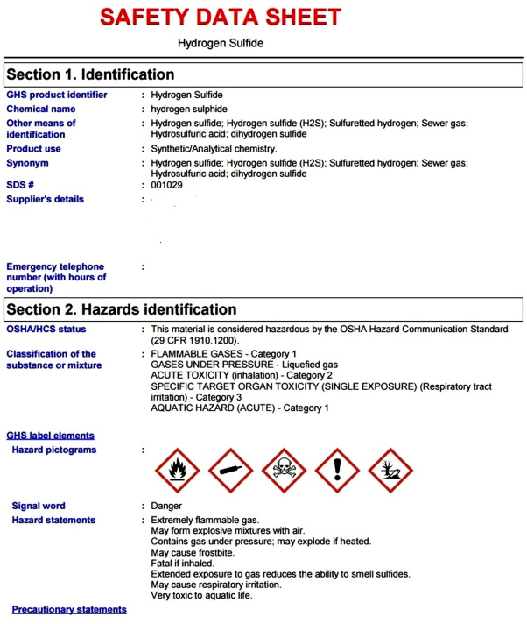
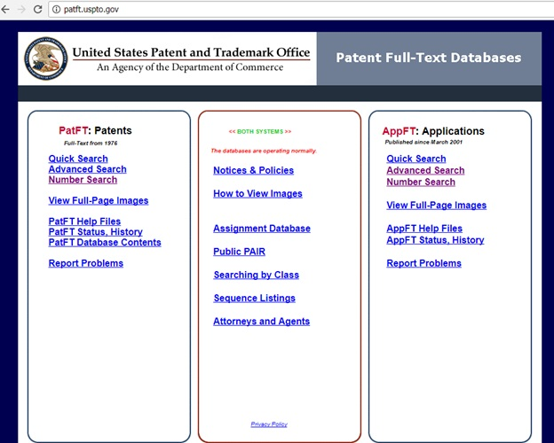
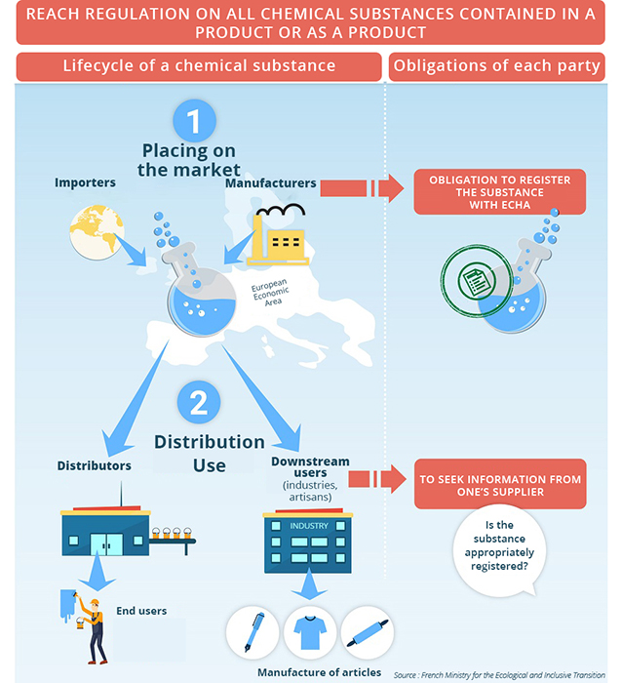
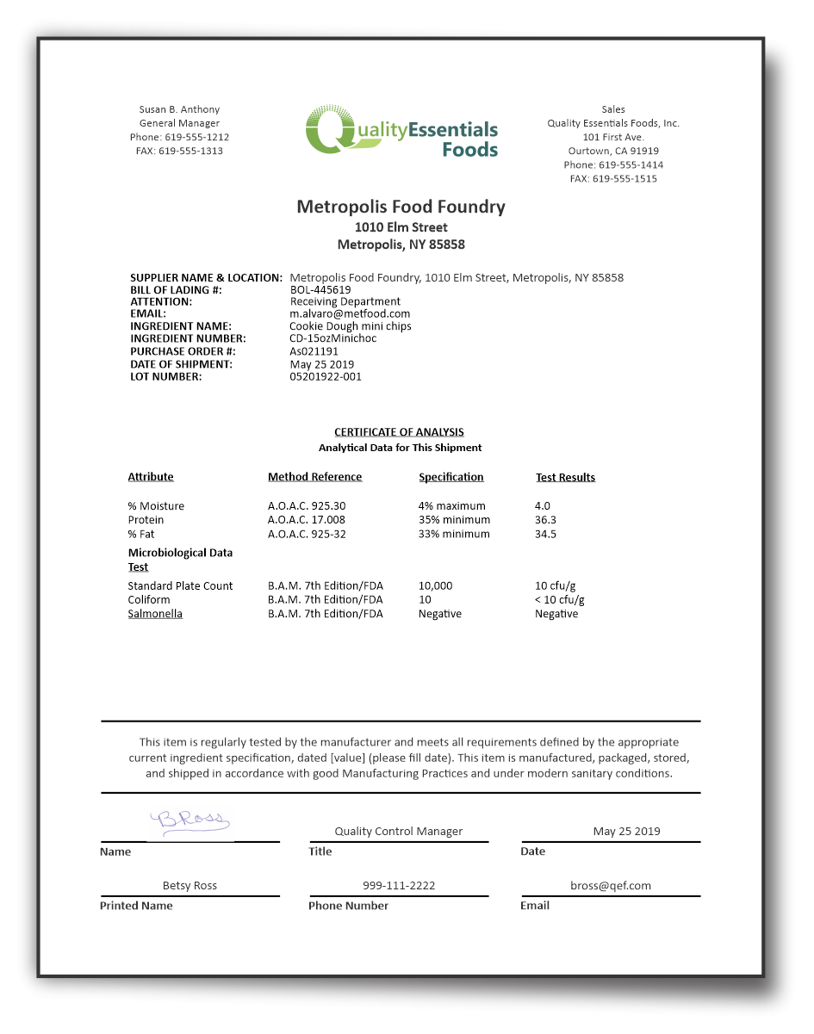
1. SDS | 2. PDS | 3. Certificate of Analysis (COA) | 4. Patent Search Database | 5. Regulatory/Compliance Database

